wastewaterdemand
 |  | Point number | Catchment | Catchment areas | Waste water load due to : |  |  |  | Total design load
 |  |  |  |  | Inhabitants | Public institution | Communal demand | Technological demand
 |  |  |  | [m2] | [m3/h] | [m3/h] | [m3/h] | [m3/h] | [m3/h]
 |  | 1 | S1 + S2 + S3 + S4+S5+S6 | 15643.8 | 194.11392 | 5.5968 | 0.528 | 44 | 244.23872
 |  | 1 | S3+S4 | 4936.7 | 61.256356439 |  | 0.528 | 44 | 105.78435644
 |  | 2 | S2+S5+S6 | 6819.6 | 84.62005963 |  |  |  | 84.62005963
 |  | 3 | S4 | 3250.3 | 40.330896213 | 5.5968 |  |  | 45.927696213
 |  | 4 | S5 | 2273.7 | 28.212890724 |  | 0.528 | 44 | 72.740890724
 |  | 5 | S6 | 3117.7 | 38.685547526 |  |  |  | 38.685547526
 |  | Total. |  | 15643.8

Derivation of waste water | maximum water consumption (m3/day) | Waste water fraction / sewage ratio | Maximum waste water quantity (m3/day) | hourly-peak ratio | hourly maximum waste water quantity (m3/hour)
dweller | 194.11392 | 0.8 | 155.291136 | 0.05 | 7.7645568
public institution | 139.92 | 0.8 | 111.936 | 0.05 | 5.5968
technological water | 1100 | 0.8 | 880 | 0.05 | 44
social water | 13.2 | 0.8 | 10.56 | 0.05 | 0.528

Pipe number | Length of the pipes | Depth of the inlet point of the pipe | Depth of the outlet point of the pipe | Slope

 | [m] | [m] | [m] | [‰]
0 | 181.6818 | 4.8183182 | 5 | 1
1 | 89.2556 | 4.7290626 | 4.8183182 | 1
2 | 45.4376 | 4.683625 | 4.7290626 | 1
3 | 103.5179 | 4.5801071 | 4.683625 | 1
4 | 111.0871 | 4.46902 | 4.5801071 | 1
5

Pipe number | Slope | Roughness of the pipe | Diameter of the pipes d | vtot | Qtot | Qdesign | Qdesign/Qtot

 | [‰] | [mm] | [m] | [m/s] | [L/s] | [L/s]
0 | 1 | 0.5 | 0.5 | 0.688 | 135.111 | 67.844 | 0.502
1 | 1 | 0.5 | 0.5 | 0.688 | 135.111 | 29.385 | 0.217
2 | 1 | 0.5 | 0.5 | 0.688 | 135.111 | 23.506 | 0.174
3 | 1 | 0.5 | 0.5 | 0.688 | 135.111 | 12.758 | 0.094
4 | 1 | 0.5 | 0.5 | 0.688 | 135.111 | 20.206 | 0.150
5 | 1 | 0.5 | 0.5 | 0.688 | 135.111 | 10.746 | 0.080

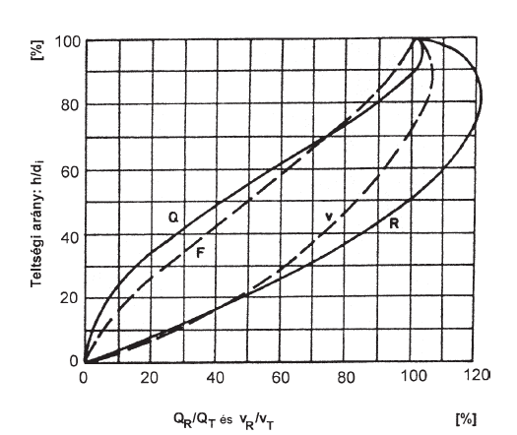

Pipe number | Qdesign/Qtot | vdesign/vtot | h/d | Diameter of the pipes d | h | vtot | vreal

 | [%] | [%] | [%] | [m] | [m] | [m/s] | [m/s]
0 | 50 | 89 | 55 | 0.5 | 0.275 | 0.688 | 0.612
1 | 22 | 69 | 38 | 0.5 | 0.190 | 0.688 | 0.475
2 | 17 | 78 | 42 | 0.5 | 0.210 | 0.688 | 0.537
3 | 9 | 65 | 31 | 0.5 | 0.155 | 0.688 | 0.447
4 | 15 | 71 | 39 | 0.5 | 0.195 | 0.688 | 0.489
5 | 8 | 58 | 29 | 0.5 | 1.724 | 0.688 | 0.399

stress profile
Stress profile
50 | 36 | 31.1816818 | 31
100 | 36 | 31.2709374 | 31.1816818
150 | 36.2 | 31.516375 | 31.2709374
200 | 36.5 | 31.9198929 | 31.316375

